Wheels
 |  |  | S = Standard Equipment A = Available -- (dashes) = Not Available D = ADI Available ■ = Included in Equipment Group □ = Included in Equipment Group but upgradeable * = Indicates availability of feature on multiple models.
 |  |  | 1: Equipment groups available on 1PT26 model. 2: Equipment groups available on 1PR26 model. 3: Equipment groups available on 1PS26 model.
Orderable RPO Code | Ref. Only RPO Code | Wheels | Description | LT 1LT1 | LT 2LT1 | ACTIV KDZ2 | RS 2RS3
 | RSC | 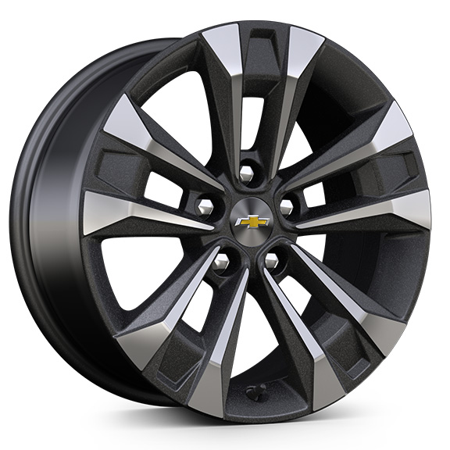 | Wheels, 17" (43.2 cm) Grazen Metallic machined-face aluminum | S | S | -- | --
RTG |  | 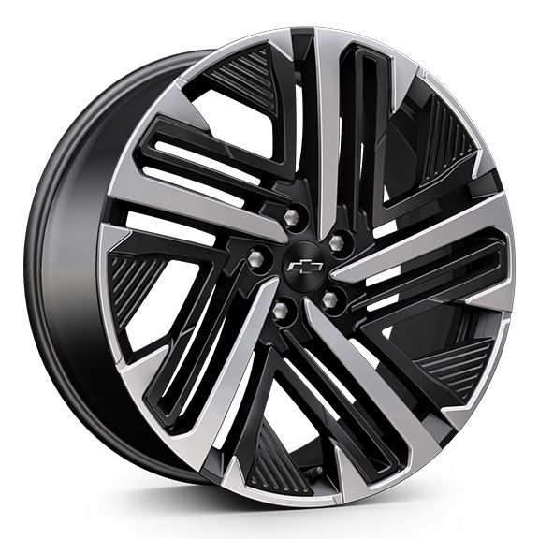 | Wheels, 20" (50.8 cm) Black machined-face aluminum 1. Not available at start of production. | -- | -- | -- | A1
 | PJW | 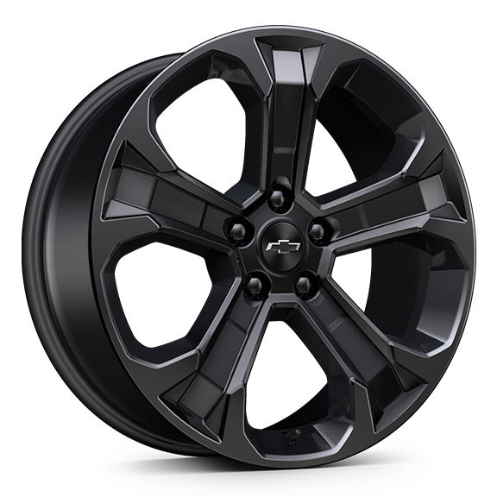 | Wheels, 19" (48.3 cm) Black painted aluminum 1. Included and only available with (WN5) Midnight Edition | A1 | A1 | -- | --
 | PJU | 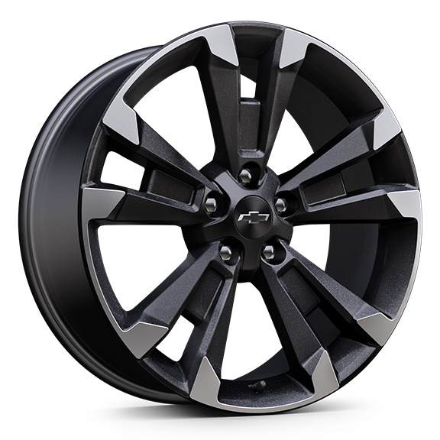 | Wheels, 19" (48.3 cm) Carbon flash metallic machined-face aluminum | -- | -- | -- | S
PJH |  | 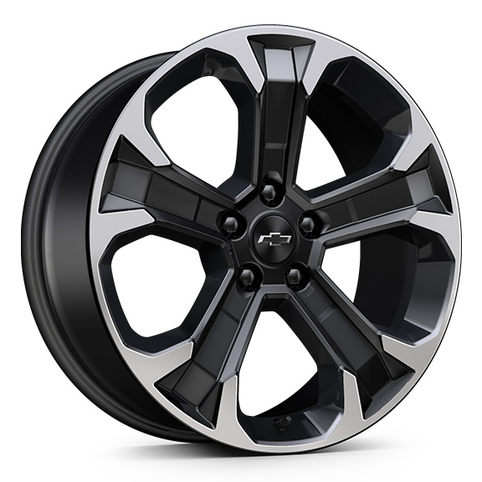 | Wheels, 19" (48.3 cm) Black machined-face aluminum 1. Not available with (WN5) Midnight Edition. | A1 | A1 | -- | --
 | Q6W | 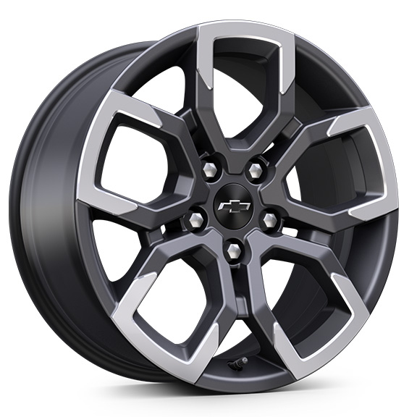 | Wheels, 17" (43.2 cm) Dark Android machined-face aluminum | -- | -- | S | --

